Methodology Main Model
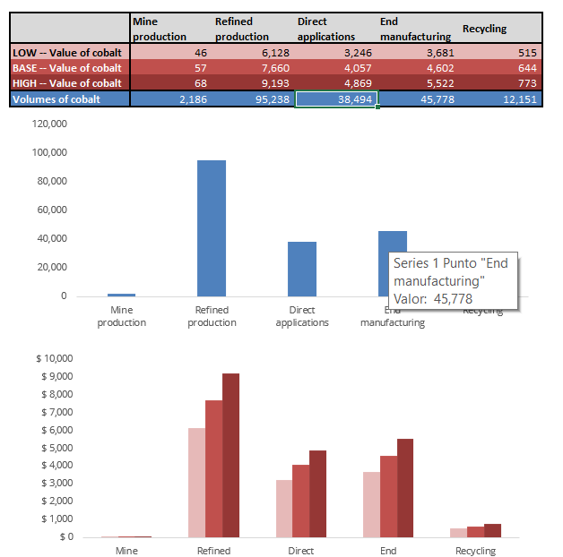
Methodology Main Model

The main goal of the model is to provide the effect the Co increasing industry as average historical and forecast:
- Value Added
- Labour Income
- Employees
- Tax Contribution
- Output

Before starting the explanation of the model, in the next image we find the settings of the model. We will use it as a reference guide in some parts of the explanation
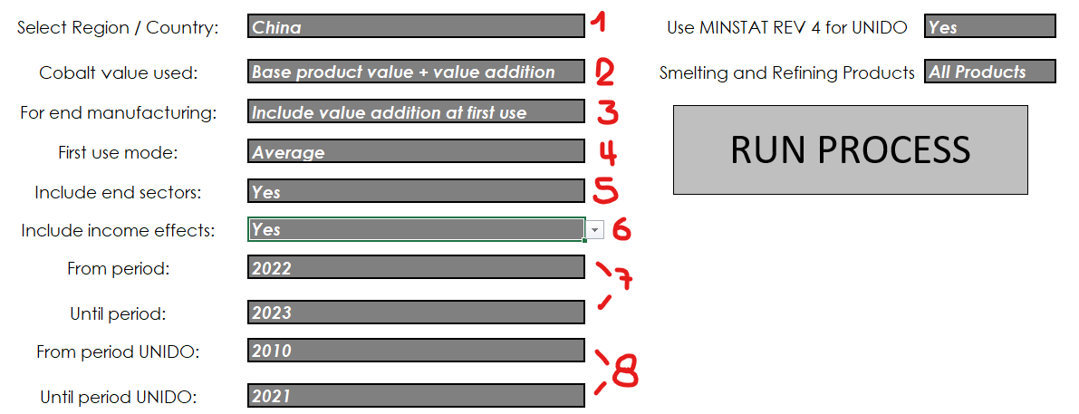

The explanation is divided into the next sections and it is sorted regarding the current flow of proccesing:

1) Calculating the OECD's multipliers: see sheet "Methodology Main Model-OECD"
2) Calculating the Unido averaged indicators: see sheet "Methodology Main Model-UNIDO"
3) Getting the Prices and Co data: see sheet "Methodology Main Model-Co Data"
4) Putting all together and getting final results
5) Global region vs individual region
6) Summary sheet results

------------------------------------------------------------------------------------------------------------------------------------------------------------------------------------------------------------------------------------------------------------------------------
4) Putting all together and getting final results

Inside the sheets "Roskill_IO_Model_PIVOT" all the information processed in steps 1) to 3) is mixed for output the final model results. We can divide this sheet as is showed in the next images:
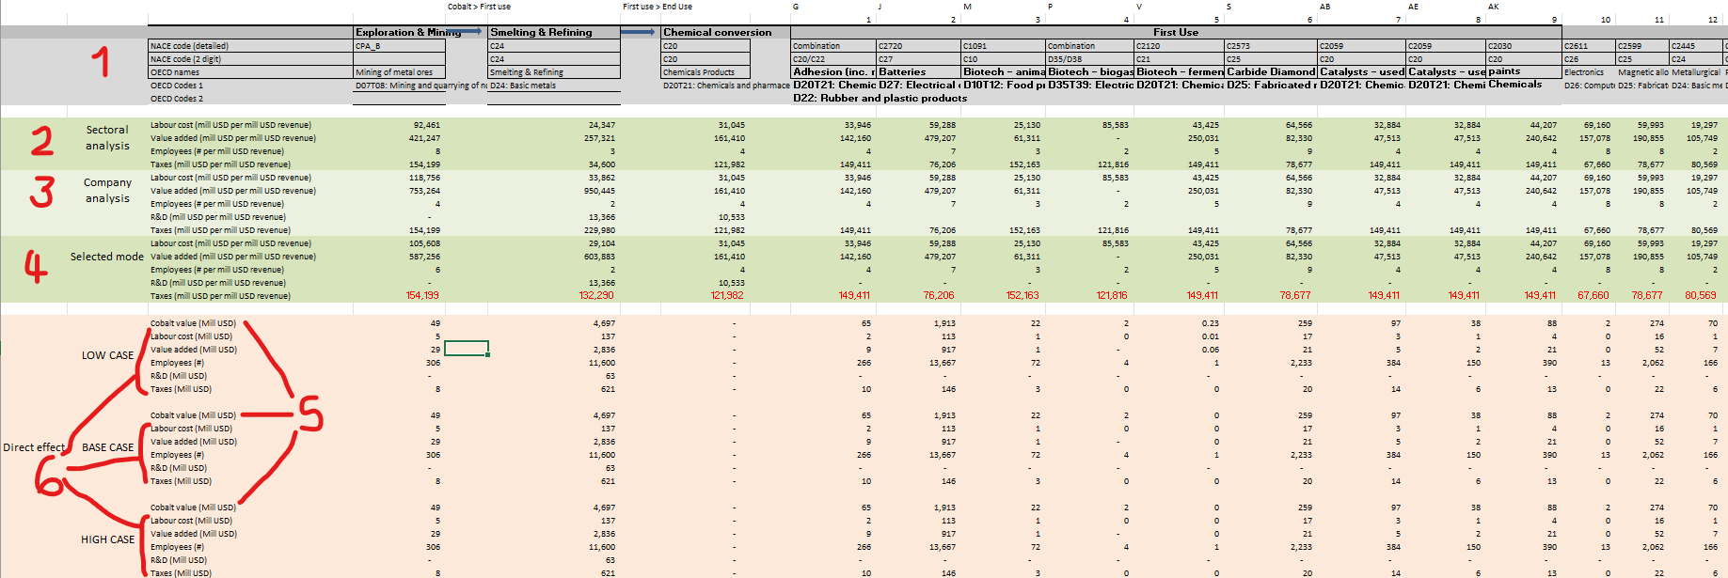

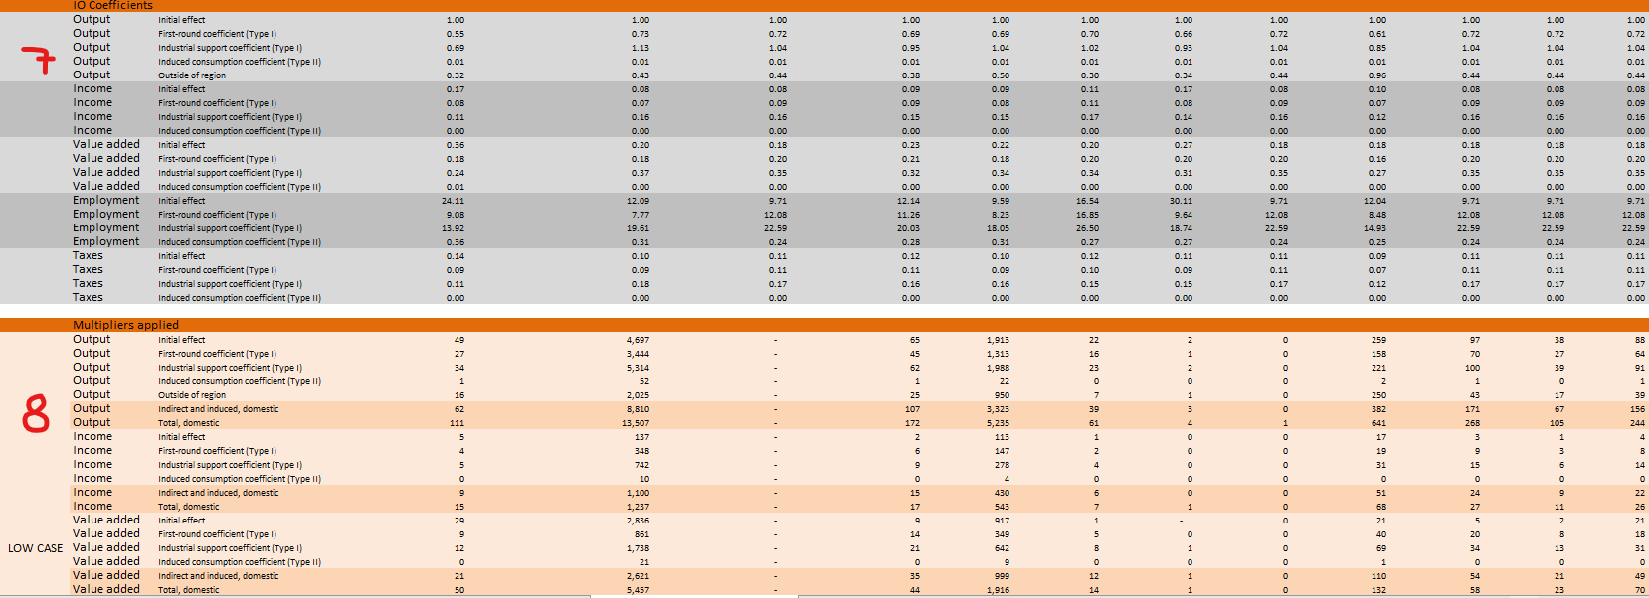

(1) This is the header of the sheet. Basically, it contins the description of each application for MSR, First Use, End Use and Recycling applications. The descriptions are used for get the values from OECD (see point 7 below)
In case of a description has two OECD's codes, the values are averaged to get the final value from OECD.
NACE's codes are not currently used

(2) Sectorial Analysis information: The process gets the final indicators from Unido (see the section "c) Calculating the final averaged indicators for each application:" inside sheet "Methodology Main Model-UNIDO") in each row in here for each application.

(3) Company Analysis: The process gets the final indicators from Co Data (see the section "c) Calculating the final averaged indicators for MSR:" inside sheet "Methodology Main Model-Co Data") in each row
in here for "Mining" and "Smelting and & Refining" applications. Because the "Representative Companies Analysis" just have data about MSR, for the First Use, End Use and Recycling applications the value is equal to the value from Sectorial Analysis.
This way, the MSR applications are the only ones that have both point of view. For the rest, the value to take in care is the Sectorial Analysis

(4) This section consolidates the information from "Sectorial" and "Representative Companies" Analysis, depending of what option is currently setting in the initial configuration "First Use Mode" (item 4 of filter image)
Basically, the next rule or formula is applied:
- If the value of the filter is "ISIC sectoral analysis", then the process takes the value of point (2). Also, the R&D will be 0 for MSR and First Use applications
- If the value of the filter is "Representative Companies", then the process takes the value of point (3)
- If the value of the filter is "Average", then the process takes the average between the value of point (2) and the value of point (3). The R&D is equal to the value of point (3)

(5) Cobalt Value: Represents the average per year of cobalt's production value, considering the years filtered from "FROM PERIOD" to "TO PERIOD" (item 7 of filter image).
One important observation is that this value is the same for historical data, so, basically, if we limit the "FROM PERIOD" and "TO PERIOD" to historical years, we will the same result for each scenario. This way, we can emulate the result
of the original model without taking into account any forecasting component

(6) The "Direct Effect" result. Basically, each row is the result of multiplier the Cobalt Value (point (5)) with each of the indicators in point (4).
Conceptually, each of the indicators in point (4) represents the relation between Labour Cost, Value Added, Employees, Taxes and R&D with the Total production value. So, multiplying each of this with the Cobalt Production Value (point (5)),
the process calculates which is the effect of Cobalt Production in Labour Cost, Value Added, Employees, Taxes and R&D. In a few words, it calculates what is the portion of each indicator that could be explained only by Cobalt Production

(7) IO coefficients: This is taken from OECD final results (see sheet "Methology Main Model-OECD"). Basically, ….TBD

(8) This, together with (6), are the final output of the model. The results are calculated multiplying the IO Coefficients (point (7)) and the Cobalt Value Production (point (5)).
Conceptually TBD

------------------------------------------------------------------------------------------------------------------------------------------------------------------------------------------------------------------------------------------------------------------------------
5) Global region vs individual region

If we select a particular region that is not "Global", then, the calculations performed are the descripted above. This final results are pasted into the sheet "Roskill_IOModel", that is where anyone can find the final output.
For the case of Global Region, what is saved in this sheet is the sum of each of the calculations performed for each of the individual regions. Is important to observe that the result of the calculations above over the processed data for Global Region
is not equal to the result of the sum. Because of this, the process has to do the calcutions per each region, and not do the calculations just filter the Global region

------------------------------------------------------------------------------------------------------------------------------------------------------------------------------------------------------------------------------------------------------------------------------
6) Summary sheet results

In the summary sheet we will see two main tables (see images below):

a. The table with the final output for each indicator and each scenario. In this case, the data is getting from point (8) of "4) Putting all together and getting final results", and is processing like:

1) For "Production of cobalt", the process sum the applications of MSR
2) For "Direct applications", the process sum the First Use applications
3) For "End Manufacturing", the process sum the End Use applications
4) For "Reciclyng", the process takes the final output for Reciclyng application
5) In "Total", the process sum the results for all the applications in the upper points
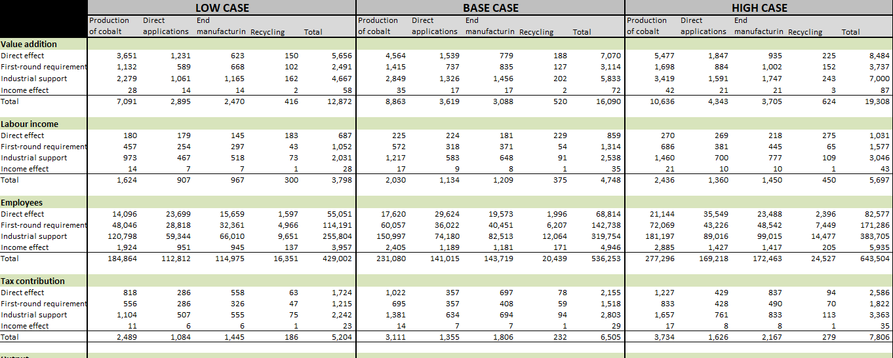

b. The summary table and charts of Cobalt focused information

The table is splited into "Value of Cobalt" and "Volumes of Cobalt"
1) For "Value of Cobalt", the process takes the values from point (5) of "4) Putting all together and getting final results", for each scenario.
2) For "Volumes of Cobalt", the process takes the information directly from Co Data (sheets "Co_MSR", "Co_First_Use", "Co_End_Use" and "Co_Recycling". Basically, these values are the sum of Cobalt Production volumes
for each of the applications (depending of the column,it could be Mining, Smelting and Refining, First Use, End Use or Reciclyng) averaged by the "PERIOD FROM"-"PERIOD TO" filters

Methodology Main Model-UNIDO
Methodology Main Model - UNIDO

Calculating the Unido averaged indicators:

The sheet "Footprint - Sectoral analysis" is where the Unido data is collected to calculate the average of the main indicators. Basically, we can see the next 3 steps:

a) Getting the information from Unido:

The information is collected by ISIC number and year for MSR, First and End Use applications, and Recycling(*), based on the Region selected. Basically, in the next image, we can see (from left to right):
1. the Segment or description of the application
2. the NACE code (it is not used)
3. the UNIDO ISIC Code: the process uses this code to looks for it inside the sheets relative to UNIDO data (it depends on the selection of the Source as UNIDO or UNIDO2)
4. the UNIDO Weight: Is a multiplier factor applied to the number from UNIDO. It is used becasuse some ISIC codes are not 100% representative of the application or Segment
5. OECD Codes and Descriptions: Used for getting some information from OECD about taxes



Finally, as a first step, the Unido data is getting looking for in the Pivot tables by ISIC Unido Code and year. Also, the Unido ISIC Weight is applied to the number to get the final value for each Application and Year (see image below).

(*) About Recycling, we have to considerer an special treatment for regions North America and China, because there is not data for Output and Value Added for any single year between 2010 and 2030.
In this case, the process considers the region as Global, and it applies a factor that is setted in the sheet "Auxiliary", "Coefficients for Recycling by Region" (column "O") for each region. This solves the problem of
the lack of data for these two special cases.

b) Gap Filling:

After the process collects the data from Unido, there is another sub process that completes the years between 2010 and 2030 following the next criteria:
1. If there is a value > 0 for the application and year (basically, if it has come some value from Unido), then this is the final value for that year and application
2. If not happens 1., then the process chooses the most recent value (last year) that has a value > 0 for that application.

Because for all combination of Region, application and years between 2010 and 2021 (historical data) we have at least a value > 0, then the Gap Filling will assure that we have a value > 0 for all the years between 2010 and 2030 (see image below)


c) Calculating the final averaged indicators for each application:

The final part of the Unido processing. Basically, the process calculates each indicator used for calculating the output of the model as follows:

1. Average of Total Production: The process calculates an average of Production per year, considering only the years filtered by "FROM PERIOD UNIDO" to "TO PERIOD UNIDO" selection filters (item 8 of filter image).
2. Average of Value Added: The process calculates an average of Value Added per year, considering only the years filtered by "FROM PERIOD UNIDO" to "TO PERIOD UNIDO" selection filters (item 8 of filter image).
3. Average of Employees: The process calculates an average of the quantity of employees per year, considering only the years filtered by "FROM PERIOD UNIDO" to "TO PERIOD UNIDO" selection filters (item 8 of filter image).
4. Average of Personnel Cost: The process calculates an average of Wages and Salaries per year, considering only the years filtered by "FROM PERIOD UNIDO" to "TO PERIOD UNIDO" selection filters (item 8 of filter image).

The final indicators used for feeding the model are the next:

1. Labour cost (mill USD per mill USD revenue):
It represents the Labour cost in million of USD over the total Production or Output. It is calculated like (4) divided by (1), multiplied by 1.000.000 (in Million of USD)

2. Value added (mill USD per mill USD revenue)
It represents the Value Added in million of USD over the total Production or Output. It is calculated like (2) divided by (1), multiplied by 1.000.000 (in Million of USD)

3. Employees (# per mill USD revenue)
It represents the quantity of employees over the total Production or Output. It is calculated like (3) divided by (1)

4. Taxes (mill USD per mill USD revenue)
For taxes, the process takes the data from OECD data. Basically, it takes, depending on the OECD setted (see point a.5), it looks for the next indicators:
(+) Taxes less subsidies on intermediate and final products
(+) Taxes on Production
(+) Estimated corporate Tax
The final indicator is calculated like the sum of the upper items, divided by OECD total Output or Production, and multiplied by 1.000.000 (in Million of USD)

Methodology Main Model-Co Data
Methodology Main Model - Co Data

There are two threads of data that is taken from Co Data and that is used for feeding the output of the model:

1) The data that belongs to "Representative Company" Analysis
2) "Prices" or Total Production values

We will treat these points separately

------------------------------------------------------------------------------------------------------------------------------------------------------------------------------------------------------------------------------------------------------------------------------
1) Representative Companies Analysis:

The process is the same as Unido (see "Methodology Main Model-UNIDO"), but focused only in the MSR restricted to Cobalt treatment. So, we will focus on the main differences and not on the details about calculation that are performed
the same as Unido.

a. Getting the information from CO_MSR:

The information is collected by description and year from sheet CO_MSR, based on the Region selected. It is collected also in the sheet "Footprint - Sectoral analysis" for same indicators calculations
The main differences from Unido's data processing are next:

1. For CO_MSR, we have only the information restricted to Cobalt, and not to economic sector. For example, if we focus on Output or total production value, when we talk about "Mining",
for CO_MSR this represents the mining production value of Cobalt, and for Unido, this represents the total mining production value of any primary product.

2. We considerer R&D indicator from CO_MSR. For Unido, we don't have it

3. Because we have historical data and projection for Cobalt information (we have data from 2010 until 2030), the process gets this projection data in place of complete future years information performing the "Gap Filling" (this is how it works for Unido).

4. We can visualize the indicators' value of each Refining final product. Because this is focused in Cobalt production, we have this information splited, and also, we can use the filter in the initial settings for filtering just one product

b. Gap Filling:

There aren't any differences between this process and the Unido "Gap Filling". For more details, see the sheet "Methodology Main Model-UNIDO".

c) Calculating the final averaged indicators for MSR:

Basically, the main differences between this process and Unido are the following:

1. Because we have data projected until 2030, the filters that applied for calculating the Average of Total Production, Value Added, Employees, Personnel Cost and R&D are "FROM PERIOD" and "TO PERIOD" filters (item 7 of filter image)
So, in this case, the process calculates the average considering the years filtered by these filters.
Because of that, if we want to emulate Main model output with out a forecasting component, we have to set these filters to historical data. For example, the image below shows a configuration taking historical data from 2015 to 2021
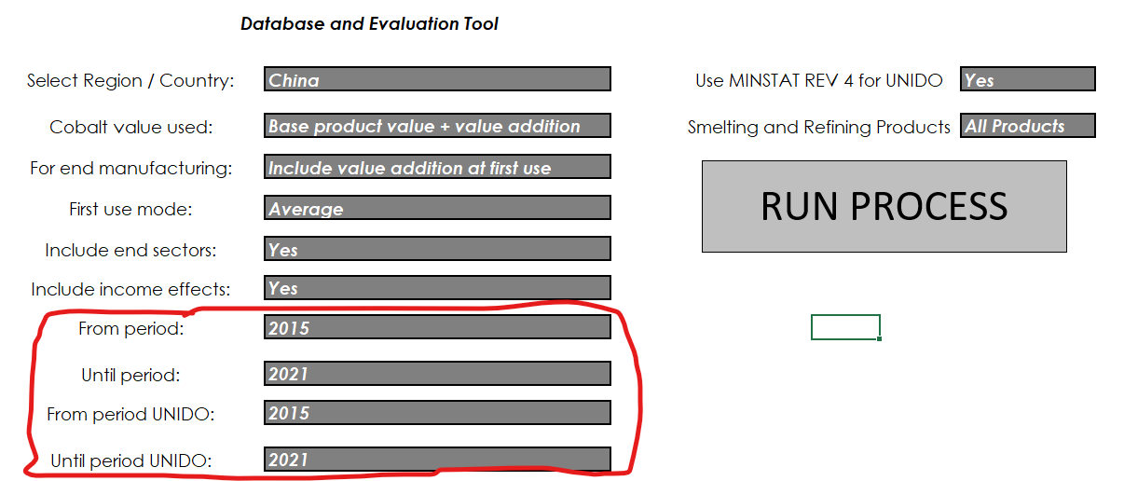

2. The final indicators are the same than in Unido, but it is an additional indicator for R&D calculated like:
R&D (USD/mill USD revenue):
It represents R&D per million of USD over the total Production or Output. It is calculated like the average of R&D divided by the average of Total Production, multiplied by 1.000.000 (in Million of USD)

------------------------------------------------------------------------------------------------------------------------------------------------------------------------------------------------------------------------------------------------------------------------------
2) "Prices" or Total Production Value:

This is already explained in the section "MSR" of the sheet "Methodology Forecast & Scenario". For the sake of simplicity, we will copy the same description in that section (in italics):

With this settings, the model calculates the new prices for each scenario for MSR, First Use, End Use and Reciclyng, that will feed the Roskill model for spiting the output for each scenario. The methodolgy for each
of the application categories is next:

Basically, there will be two cases:
a) The data which source is CO_MSR that belongs to the "Representative Companies" Analysis
b) The data which source is UNIDO that belongs to the "Sectorial Analysis"

So for the case (a), it already exists a forecasting component until 2030. So, in this case, we have to calculate in some way the scenario's final prices.
In the case (b), there aren't any forecast and scenario prices. Because of that, it is necessary to calculate a forecast price before applying the modification factor applied to case (a)

The calculation is like:

1.a) The models calculates the average prices of each scenario (rows 44,55 and 66), considering the forecasting periods filtered (example, from 2022 to 2030)
1.b) The models calculates the average prices of the base scenario (row 55), considering the forecasting periods filtered (example, from 2022 to 2030)
1.c) The models calculates a factor for each scenario like (1.a) divided by (1.b)
2.a) The models calculates the average prices of the base scenario (row 55), considering the forecasting periods filtered (example, from 2022 to 2030)
2.b) The models calculates the average prices of the base scenario (row 55), considering the historical periods filtered (example, from 2010 to 2021)
2.c) The models calculates a forecasting factor like (2.a) divided by (2.b)
3.a) In the case the data belongs to "Company Analysis" vision (case (a)), the models apply the factor calculated in 1.c to the CO_MSR final price for completing the prices of each scenario of all the MSR application
3.b) In the case the data belongs to "Sectorial Analysis" vision (case (b)), the models apply the factor calculated in 1.c and 2.c to the UNIDO DATA final price for completing the prices of each scenario of all the MSR application

------------------------------------------------------------------------------------------------------------------------------------------------------------------------------------------------------------------------------------------------------------------------------

Methodology Forecast & Scenario
Methodology Forecast & Scenarios

There are 4 sources of information that are used to feed the final output of the model:
1) OECD Data: used for calculating the Input-Output multipliers
2) Unido Data: used for feed the Output of MSR, First and End Uses and reciclyng of several applications and sectors
3) Cobalt Data (Provided): Basically, the same as Unido data but focused in the intake First and End Use and reciclyng applications of Cobalt
4) Cobalt prices (Provided): The variation of the price of cobalt splited into different primary products (metal, carboxylates, …) per year

Basically, we can define the 4 sources above in two categories: historical data and future data
We can set the OECD and UNIDO into historical data, because we have just data from 2010 until YTD
With Cobalt Data and Prices, we have data from 2010 until 2030, so we have historical and a projection of future data for these sources

So, in simple terms, the forecasting component will be feeded by the sources (3) and (4), and not for OECD neither UNIDO. This means that for the final Roskill model final output,
the information that will be changed will be the PRICE or final outcome for each application if we change the period filtered.
In terms of the summary sheet, the final production and prices of Cobalt will be impacted by this filter (because these values are getting from sources (3) and (4)).

About Scenarios, there are 3 scenarios: LOW, BASE and HIGH. Basically, this scenarios are implemented inside "Cobalt prices" (source (4)), so it will affect only the final outcome of each application.
In this way, there isn't any scenario splitting about the final volume of production of Cobalt.

The scenarios are setting by default with weights, being the weights of LOW and HIGH scenarios 0.20 lower and upper the BASE scenario that represent the current projection of prices. These weights are
setting by years, and the historical weights is 1.00 for all the scenarios. This information is currently inside the sheet "Cobalt Prices" (see the image below)

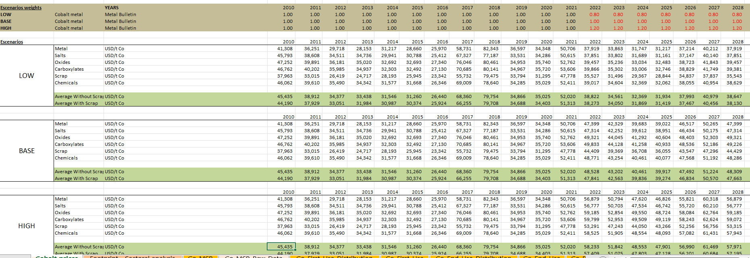

With this settings, the model calculates the new prices for each scenario for MSR, First Use, End Use and Reciclyng, that will feed the Roskill model for spiting the output for each scenario. The methodolgy for each
of the application categories is next:

------------------------------------------------------------------------------------------------------------------------------------------------------------------------------------------------------------------------------------------------------------------------------
MSR:

Basically, there will be two cases:
a) The data which source is CO_MSR that belongs to the "Representative Companies" Analysis
b) The data which source is UNIDO that belongs to the "Sectorial Analysis"

So for the case (a), it already exists a forecasting component until 2030. So, in this case, we have to calculate in some way the scenario's final prices.
In the case (b), there aren't any forecast and scenario prices. Because of that, it is necessary to calculate a forecast price before applying the modification factor applied to case (a)

The calculation is like:

1.a) The models calculates the average prices of each scenario (rows 44,55 and 66), considering the forecasting periods filtered (example, from 2022 to 2030)
1.b) The models calculates the average prices of the base scenario (row 55), considering the forecasting periods filtered (example, from 2022 to 2030)
1.c) The models calculates a factor for each scenario like (1.a) divided by (1.b)
2.a) The models calculates the average prices of the base scenario (row 55), considering the forecasting periods filtered (example, from 2022 to 2030)
2.b) The models calculates the average prices of the base scenario (row 55), considering the historical periods filtered (example, from 2010 to 2021)
2.c) The models calculates a forecasting factor like (2.a) divided by (2.b)
3.a) In the case the data belongs to "Company Analysis" vision (case (a)), the models apply the factor calculated in 1.c to the CO_MSR final price for completing the prices of each scenario of all the MSR application
3.b) In the case the data belongs to "Sectorial Analysis" vision (case (b)), the models apply the factor calculated in 1.c and 2.c to the UNIDO DATA final price for completing the prices of each scenario of all the MSR application

This is a simple forecasting method to modified the final forecasting price based on historical Unido price

------------------------------------------------------------------------------------------------------------------------------------------------------------------------------------------------------------------------------------------------------------------------------
First Uses:

For First Uses, the model do the next:

1) We have the direct impact of each of the primary products (metal, carboxylates,salts,…) in each of the application. But we have this information as Global, and not splited per region. Also, this is historical information
(until 2021). So, with this part, the model calculates the historical distribution of each of the primary products for each application for each year between 2010 and 2021. This will be a percentage distribution. An example:

For 2010, the distribution in primary products of the production of Batteries is the next:

 | Carboxylates | 0%
 | Metal | 5%
 | Oxides | 6%
 | Salts | 75%
 | Scrap | 13%
 | Total | 100%

Based on these distributions, the model makes a simple forecasting, taking the average of the distribution of the previos 3 years. For example:

 |  | HISTORICAL |  |  | FORECAST
 |  | 2019 | 2020 | 2021 | 2022 | 2023 | 2024 | 2025 | 2026 | 2027 | 2028 | 2029 | 2030
 | Carboxylates | 0.00% | 0.00% | 0.00% | 0.00% | 0.00% | 0.00% | 0.00% | 0.00% | 0.00% | 0.00% | 0.00% | 0.00%
 | Metal | 5.39% | 5.61% | 5.39% | 5.46% | 5.49% | 5.45% | 5.47% | 5.47% | 5.46% | 5.47% | 5.46% | 5.46%
 | Oxides | 6.11% | 6.11% | 6.11% | 6.11% | 6.11% | 6.11% | 6.11% | 6.11% | 6.11% | 6.11% | 6.11% | 6.11%
 | Salts | 75.46% | 75.46% | 75.46% | 75.46% | 75.46% | 75.46% | 75.46% | 75.46% | 75.46% | 75.46% | 75.46% | 75.46%
 | Scrap | 13.04% | 12.82% | 13.04% | 12.97% | 12.94% | 12.99% | 12.97% | 12.97% | 12.97% | 12.97% | 12.97% | 12.97%
 | Total | 100% | 100% | 100% | 100% | 100% | 100% | 100% | 100% | 100% | 100% | 100% | 100%

Finally, we have the distribution for each application and year between 2010 an 2030

2) The model calculates the final outcome of each of the application, multiplying the prices for each primary product with the distribution weight calculated in (1), with the volume of the production (projection provided in CO_First_Use)
Doint this, we can get a final outcome of each application, primary product and year, for each scenario, and also for each region, because the production data is splited by region. In here,
the main assumption is that the distribution in each primary product is the same for all the regions

3) The model calculates the average of outcomes calculated in (2) for each application, scenario and region, only considering the years in the forecasting period filtered.

------------------------------------------------------------------------------------------------------------------------------------------------------------------------------------------------------------------------------------------------------------------------------
End Uses:

Is exactly the same methology of First Use, but there is an additional complexity because the information is splited by year, primary product, end use application, and first use application. So, the main difference, is we add the first use application level
So, the calculations on the distribution wieghts and production volumes are splited by first use application also.
Without that, the methodology is exactly the same

------------------------------------------------------------------------------------------------------------------------------------------------------------------------------------------------------------------------------------------------------------------------------
Reciclyng:

Because the model has calculated the First and End Uses outcome for each application and scenario, and because this data was the original source of information for feeding the reciclyng prices in previous version of the model,
then the model reproduces the same way of calculating the final reciclyng outcome for each scenario, and for periods between 2010 and 2030.

------------------------------------------------------------------------------------------------------------------------------------------------------------------------------------------------------------------------------------------------------------------------------

